Sheet1
Headspace Voume (15 ml)
 |  | n = mols of air in injected sample | n = 2.06e-4 mol, 0.20657 mmol
 | a | n (mol) = PV/RT
 |  | P = 1 atm
 |  | V = 15 ml
 |  | R = 82.05 ml atm/mol K
 |  | T = 273 + 22 = 295
Pore Water Voume (5ml) =
1 ml pore water, 4 ml DI water
 |  | n = 0.0006197 mol, 0.6197 mmol air in 15ml vessel

Revision in calculations:

15ml vessel volume represented by 5 ml injection.
DC-CO2/hr calculated as ppm - ambient (as containers were flushed with ambient each sampling time)

Figures
tension | inoculant | Mean(Sum(mg C-CO2)) | Std Err(Sum(mg C-CO2)) | N Rows
15 | Control | 0.057410541 | 0.0011290300095 | 5
15 | C. japonicus | 0.070583268 | 0.0017456063628 | 5
15 | S. cellulosae | 0.065244862 | 0.0009256144481 | 5
15 | T. reseei | 0.093976164 | 0.010605391296 | 5
150 | 0. Control | 0.0586644492 | 0.0008035520491 | 5
150 | 1. C. japonicus | 0.0860154098 | 0.0051291402859 | 5
150 | 2. S. cellulosae | 0.0759127492 | 0.0040715971941 | 5
150 | 3.T. reseei | 0.1245176722 | 0.0049797657534 | 5

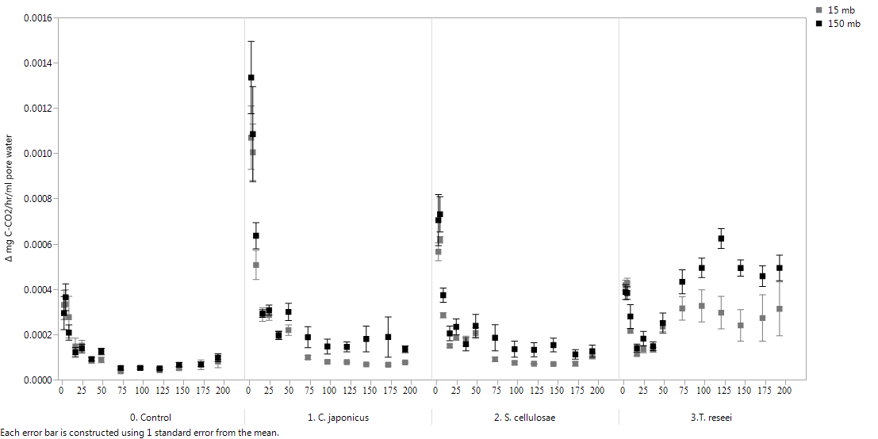
(a)
(b)
(c)
(d)
C-CO₂ respiration rates (mg C-CO₂ ml⁻¹ hr⁻¹)
Time (hours)

 |  |  |  |  | Summary statistics for the model and fixed effects CO2 respiration rates, log transformed
 |  |  |  |  |  |  | df | SS | F ratio | Prob
 |  |  |  |  | Model |  | 15 | 403.91 | 21.86 | <0.0001
 |  |  |  |  | Model Effects
 |  |  |  |  |  | Pore Size Class (15 mb, 150 mb) | 1 | 9.35 | 7.60 | 0.0061
 |  |  |  |  |  | Inoculant | 3 | 74.96 | 20.29 | <0.0001
 |  |  |  |  |  | Time during Incubation | 1 | 252.34 | 204.86 | <0.0001
 |  |  |  |  |  | Pore Size Class * Inoculant | 3 | 1.06 | 0.29 | 0.8349
 |  |  |  |  |  | Pore Size Class * Time | 1 | 4.46 | 3.62 | 0.0578
 |  |  |  |  |  | Inoculant * Time | 3 | 60.46 | 16.36 | <0.0001
 |  |  |  |  |  | Pore Size Class * Inoculant * Time | 3 | 1.28 | 0.35 | 0.7915
 |  |  |  |  | df = degrees of freedom, SS = sum of squares, Prob = probability

